Sheet1 (2)
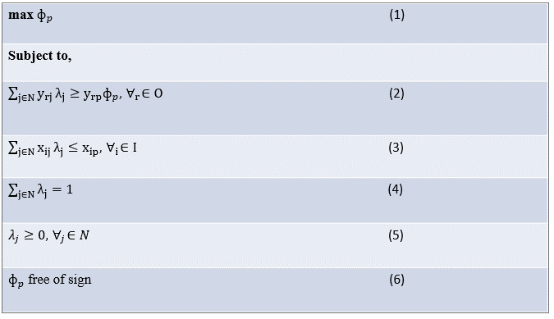
0≤
Student ID | Exam 1 score | Hours reading class notes | lambda (weight)
40 | 63 | 2 | 0% |  | c4_LHS
41 | 78 | 19 | 0%
42 | 86 | 18 | 28%
43 | 52 | 5 | 0%
44 | 80 | 18 | 0%
45 | 77 | 0 | 72%
46 | 65 | 15 | 0%
47 | 51 | 4 | 0%
48 | 72 | 0 | 0%
49 | 54 | 15 | 0%

≥
 |  |  | Constraints
 |  |  | LHS |  | RHS
 |  | Constraint 1 | 79.5 | <= | 79.5
≤
 |  | Constraint 2 | 5 | >= | 5
=
 |  | Constraint 3 | 100% | = | 100%
 | phi
 | 1.5288461538

max
 | OBJ-phi
 | 1.5288461538

Sheet1
 |  | Input | Obj
 | Phi | 1.7807590288 | 1.7807590288

 | Constraint 1 | Constraint 2 | Constraint 3 | Constraint 4 | Constraint 4
Lamdas | 92.599469496 | 5 | 5 | 6 | 1
 | >= | <= | <= | <= | =
Select Student | 92.599469496 | 5 | 5 | 6 | 1
 |  |  |  |  |  |  |  | 1 | 2
Exam 1 score vs Hours reading the book
Exam 1 score vs Hours of sleep before the Exam
Student ID | Exam 1 score | Hours reading the book | Hours reading class notes | Hours of sleep before the Exam |  | Lambdas | Is in Ref Set | x, 1 | x, 2 | p
1 | 65 | 10 | 14 | 8 |  | 0.00000% | FALSE
2 | 100 | 16 | 8 | 5 |  | 0.00000% | FALSE
3 | 83 | 11 | 10 | 10 |  | 0.00000% | FALSE
4 | 81 | 4 | 0 | 10 |  | 0.00000% | FALSE
5 | 68 | 15 | 6 | 10 |  | 0.00000% | FALSE
6 | 92 | 10 | 13 | 4 |  | 0.00000% | FALSE
7 | 96 | 4 | 7 | 6 |  | 62.33422% | TRUE
8 | 67 | 14 | 9 | 10 |  | 0.00000% | FALSE
9 | 88 | 13 | 18 | 8 |  | 0.00000% | FALSE
10 | 82 | 3 | 5 | 6 |  | 0.00000% | FALSE
11 | 93 | 11 | 5 | 7 |  | 0.00000% | FALSE
12 | 93 | 7 | 20 | 4 |  | 0.00000% | FALSE
13 | 95 | 5 | 10 | 2 |  | 6.36605% | TRUE
14 | 81 | 1 | 6 | 8 |  | 0.00000% | FALSE
15 | 60 | 10 | 0 | 4 |  | 0.00000% | FALSE
16 | 59 | 18 | 4 | 5 |  | 0.00000% | FALSE
17 | 62 | 2 | 10 | 2 |  | 0.00000% | FALSE
18 | 86 | 1 | 12 | 6 |  | 0.00000% | FALSE
19 | 77 | 10 | 5 | 9 |  | 0.00000% | FALSE
20 | 82 | 10 | 13 | 3 |  | 0.00000% | FALSE
21 | 76 | 15 | 10 | 7 |  | 0.00000% | FALSE
22 | 65 | 10 | 8 | 7 |  | 0.00000% | FALSE
23 | 50 | 0 | 7 | 7 |  | 0.00000% | FALSE
24 | 97 | 12 | 8 | 2 |  | 0.00000% | FALSE
25 | 100 | 18 | 15 | 7 |  | 0.00000% | FALSE
26 | 61 | 20 | 3 | 8 |  | 0.00000% | FALSE
27 | 84 | 14 | 2 | 9 |  | 0.00000% | FALSE
28 | 71 | 6 | 9 | 5 |  | 0.00000% | FALSE
Exam 1 score vs Hours reading class notes
29 | 86 | 13 | 15 | 4 |  | 0.00000% | FALSE
30 | 87 | 11 | 7 | 2 |  | 0.00000% | FALSE
31 | 65 | 0 | 0 | 3 |  | 11.40584% | TRUE
32 | 73 | 4 | 8 | 3 |  | 0.00000% | FALSE
33 | 75 | 9 | 20 | 5 |  | 0.00000% | FALSE
34 | 93 | 19 | 17 | 6 |  | 0.00000% | FALSE
35 | 95 | 6 | 13 | 10 |  | 0.00000% | FALSE
36 | 73 | 20 | 18 | 4 |  | 0.00000% | FALSE
37 | 94 | 11 | 2 | 9 |  | 0.00000% | FALSE
38 | 57 | 4 | 3 | 9 |  | 0.00000% | FALSE
39 | 86 | 15 | 3 | 6 |  | 0.00000% | FALSE
40 | 63 | 15 | 2 | 10 |  | 0.00000% | FALSE | (1, 40): 2, | (2, 40): 10, | (1, 40): 63,
41 | 78 | 4 | 19 | 2 |  | 0.00000% | FALSE | (1, 41): 19, | (2, 41): 2, | (1, 41): 78,
42 | 86 | 10 | 18 | 3 |  | 0.00000% | FALSE | (1, 42): 18, | (2, 42): 3, | (1, 42): 86,
43 | 52 | 5 | 5 | 6 |  | 0.00000% | FALSE | (1, 43): 5, | (2, 43): 6, | (1, 43): 52,
44 | 80 | 11 | 18 | 4 |  | 0.00000% | FALSE | (1, 44): 18, | (2, 44): 4, | (1, 44): 80,
45 | 97 | 11 | 0 | 9 |  | 19.89390% | TRUE | (1, 45): 0, | (2, 45): 9, | (1, 45): 97,
46 | 65 | 6 | 15 | 6 |  | 0.00000% | FALSE | (1, 46): 15, | (2, 46): 6, | (1, 46): 65,
47 | 51 | 15 | 4 | 7 |  | 0.00000% | FALSE | (1, 47): 4, | (2, 47): 7, | (1, 47): 51,
48 | 72 | 14 | 0 | 8 |  | 0.00000% | FALSE | (1, 48): 0, | (2, 48): 8, | (1, 48): 72,
49 | 54 | 8 | 15 | 7 |  | 0.00000% | FALSE | (1, 49): 15, | (2, 49): 7, | (1, 49): 54,

